CS 2 E-16 w Autofill
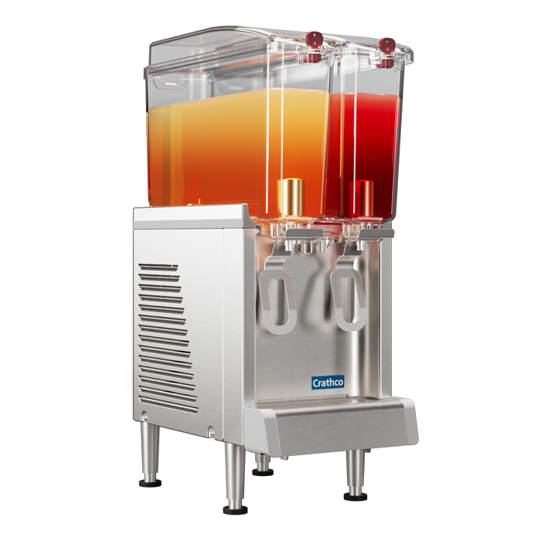
SIMPLICITY CS 2E-16

Product A – Non Alcoholic |  | Product B – Alcoholic
Serving Size | 14 | Serving Size | 14
Retail | $2.29 | Retail | $7.99
Servings Per Day | 20 | Servings Per Day | 20
Beverage Cost % | 10% | Beverage Cost % | 10%
Beverage Cost $ | $0.23 | Beverage Cost $ | $0.80

Gross Profit Per Drink | $2.06 | Gross Profit | $7.19
Gross Profit /Day | $41.22 | Gross Profit/Day | $143.82
Gross Profit /Week | $1,236.60 | Gross Profit/Day | $4,314.60
Gross Profit /Year | $64,303.20 | Gross Profit/Day | $224,359.20

Equipment | Retail Price | Product | ROI/Days
CS 2 E-16 | $1,800.00 | A – Non-Alcoholic | 43.67
CS 2 E-16 | $1,800.00 | B – Alcoholic | 12.52

CS 2 E-16 w/Autofill | $3,100.00 | A – Non-Alcoholic | 75.21
CS 2 E-16 w/Autofill | $3,100.00 | B – Alcoholic | 21.55

