IPro 2M w Autofill
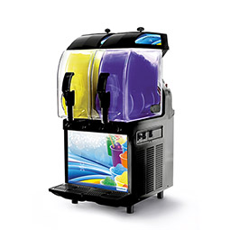
 | IPRO 2M BUBBLER R.O.I.

 | Product A – Non Alcoholic |  | Product B – Alcoholic
 | Serving Size | 14 | Serving Size | 14
 | Retail | $2.99 | Retail | $9.99
 | Servings Per Day | 20 | Servings Per Day | 20
 | Beverage Cost % | 10% | Beverage Cost % | 10%
 | Beverage Cost $ | $0.30 | Beverage Cost $ | $1.00

 | Gross Profit Per Drink | $2.69 | Gross Profit | $8.99
 | Gross Profit /Day | $53.82 | Gross Profit/Day | $179.82
 | Gross Profit /Week | $1,614.60 | Gross Profit/Day | $5,394.60
 | Gross Profit /Year | $83,959.20 | Gross Profit/Day | $280,519.20

 | Equipment | Retail Price | Product | ROI/Days
 | IPro 2 M | $2,800.00 | A – Non-Alcoholic | 52.03
 | IPro 2 M | $2,800.00 | B – Alcoholic | 15.57

 | IPro 2 M w/ Autofill | $4,800.00 | A – Non-Alcoholic | 89.19
 | IPro 2 M w/Autofill | $4,800.00 | B – Alcoholic | 26.69

 | Product A - Non Alcoholic with Autofill |  | Product B - Alcoholic with Autofill
 | Serving Size | 14 | Serving Size | 14
 | Retail | $2.99 | Retail | $9.99
 | Servings Per Day | 20 | Servings Per Day | 20
 | Beverage Cost % | 10% | Beverage Cost % | 10%
 | Beverage Cost $ | $0.30 | Beverage Cost $ | $1.00

 | Labor Savings Daily 1 Hour | $20 | Labor Savings 1 Hour | $20
 | Portion Control Savings | 10% | Portion Control Savings | 10%
 | Gross Profit Per Drink | $4.29 | Gross Profit Per Drink | $11.99
 | Gross Profit /Day | $85.78 | Gross Profit/Day | $239.78
 | Gross Profit /Week | $2,573.40 | Gross Profit/Day | $7,193.40
 | Gross Profit /Year | $133,816.80 | Gross Profit/Day | $374,056.80

›

